Welcome
Welcome to the:

Infrastructure Charges Calculator
Townsville City Council

For infrastructure charge notices raised between 1 July 2020 and 30 June 2021, as per council resolution dated 30 June 2020.
Council may move NOVOPLAN to calculate and administer infrastructure charges, in which case, this calculator would only be used for providing preliminary and non-binding advice, or as a comparative check.
This calculator is based on, but does not supersede the infrastructure charges resolution, and the relevant statutory provisions (adopted charges). The currency, accuracy and validity of the calculations, including the underlying assumptions and interpretations of resolutions, etc. are not guaranteed. In this respect, the user is referred to the actual resolution, associated regulations and provisions of the Planning Act 2016 and any calculations and advice prepared by council.
Version | 16.7
 |  | INDEX

 |  | Instructions and notes

 |  | Infrastructure Charge Calculation

 |  | Service area map

 |  | Version

Calculation
Infrastructure Charge Calculation
Version 16.7 |  |  |  |  |  | For development approvals decided between |  |  | 2020-07-01 | and | 2021-06-30
Return to index |  |  |  |  |  | and subsequent payments between |  |  | 2023-07-01 | and | 2024-06-30

Link to map
1. | Details |  |  |  | 2. | Location (see map)
 | Item |  | Details |  |  | Residential |  |  |  | Non-residential
 | Name of applicant |  |  |  |  |  |  |  |  | #N/A
 | Development permit no.
 | Address |  |  |  | 3. | Indexation at time of payment |  |  |  |  | 3a. | Statutory caps
 | Zoning |  |  |  |  | Item |  | Qtr | Index |  |  | For regime: Prescribed Amount ($ Jul '20)
 | Description |  |  |  |  | Decision quarter |  | 2020-12-01 | 118.3 |  |  | Item |  | Index
 | Date permit application was properly made |  |  |  |  | Payment quarter |  | 2023-12-01 | 131.1 |  |  | Last published RBCI quarter |  | 2020-06-01
 | Decision date |  |  |  |  | Adjustment factor |  |  | 1.108 |  |  | Smoothed RBCI for that quarter |  | 117.6
 | Payment date

4. | Proposed land use
 | Consolidated Description |  |  | Unit | Quantity | At time of raising charge notice (Dec'20) |  |  |  |  |  |  |  |  | At payment (Dec'23) |  |  |  | Schedule 1 flag
 |  |  |  |  |  | Resolution rate ($/unit) |  | Regulated cap rate ($/unit) |  |  |  |  | Applicable rate ($/unit) | Applicable charge ($) | Resolution rate ($/unit) | Cap ($/unit) | Applicable rate ($/unit) | Applicable charge ($)
 |  |  |  |  |  | Adopted | FPA | Category |  |  | Cap | FPA
 |  |  |  | 0
 |  |  |  | 0
 |  |  |  | 0
 |  |  |  | 0
 |  |  |  | 0
 |  |  |  |  |  |  |  |  |  |  |  |  |  | - |  |  |  | -

5. | Credit land use
 | Consolidated Description |  |  | Unit | Quantity | At time of raising charge notice (Dec'20) |  |  |  |  |  |  |  |  | At payment (Dec'23) |  |  |  | Schedule 1 flag
 |  |  |  |  |  | Resolution rate ($/unit) |  | Regulated cap rate ($/unit) |  |  |  |  | Applicable rate ($/unit) | Applicable charge ($) | Resolution rate ($/unit) | Cap ($/unit) | Applicable rate ($/unit) | Applicable charge ($)
 |  |  |  |  |  | Adopted | FPA | Category |  |  | Cap | FPA
 |  |  |  | 0
 |  |  |  | 0
 |  |  |  | 0
 |  |  |  | 0
 |  |  |  | 0
 |  |  |  |  |  |  |  |  |  |  |  |  |  | - |  |  |  | -

6 | Net charge applicable
 | Proposed land use charges less Credit land use charges |  |  |  |  |  |  |  |  |  |  | At time of raising charge notice (Dec'20) |  | - | At payment (Dec'23) |  |  | -

6. | Offsettable infrastructure relevant to the permit
 | Item | Trunk infrastructure conditioned on the permit |  |  |  |  |  |  |  |  |  |  |  |  | At payment (Dec'23)
 |  | Description (incl. LGIP ID, type, size, length & ECM of value agreement) |  |  |  |  |  |  |  |  |  |  |  |  | See charge resolution for valuation |  |  | Agreed value
 | Water
 | Sewer
 | Roads
 | Pathways
 | Parks
 | Total |  |  |  |  |  |  |  |  |  |  |  |  |  |  |  |  | -

 |  |  |  |  |  |  |  | 7 | Amount payable (considering net charge, offsets, refunds and agreements)
 |  |  |  |  |  |  |  |  | Item |  |  |  |  |  | At payment (Dec'23)
 |  |  |  |  |  |  |  |  |  |  |  |  |  |  |  |  |  | Amount ($)
 |  |  |  |  |  |  |  |  | Net charge |  |  |  |  |  |  |  |  | -
 |  |  |  |  |  |  |  |  | Offset value |  |  |  |  |  |  |  |  | -
 |  |  |  |  |  |  |  |  | Refund value |  |  |  |  |  |  |  |  | -
 |  |  |  |  |  |  |  |  | Use of other refunds as offsets by agreement
 |  |  |  |  |  |  |  |  | ECM no. of agreement
 |  |  |  |  |  |  |  |  | Amount payable (subject to Infrastructure Charge Notice) |  |  |  |  |  |  |  |  | -

 |  |  |  |  |  |  |  | 8 | Validation
 |  |  |  |  |  |  |  |  | Item |  |  | Name and signature |  |  | Name and signature
 |  |  |  |  |  |  |  |  | Calculated by:

 |  |  |  |  |  |  |  |  | Confirmed by:

7

Map
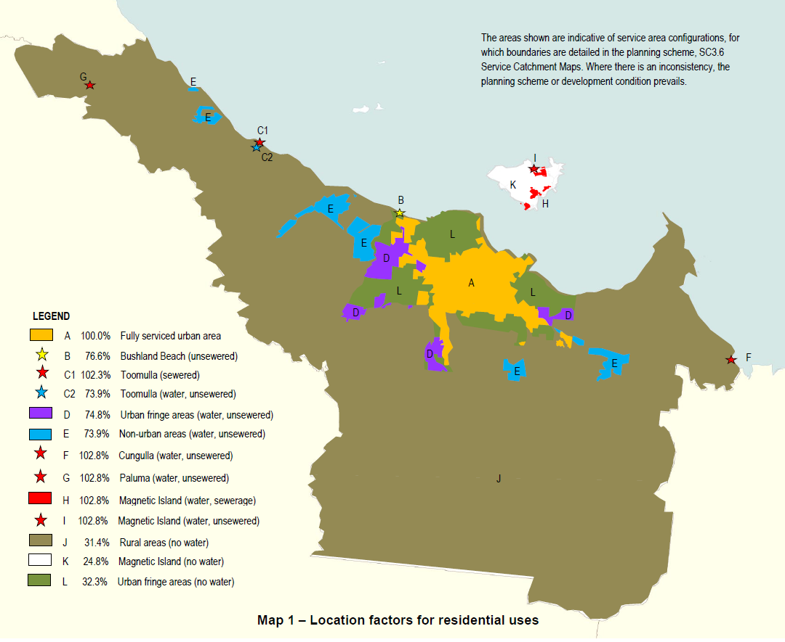
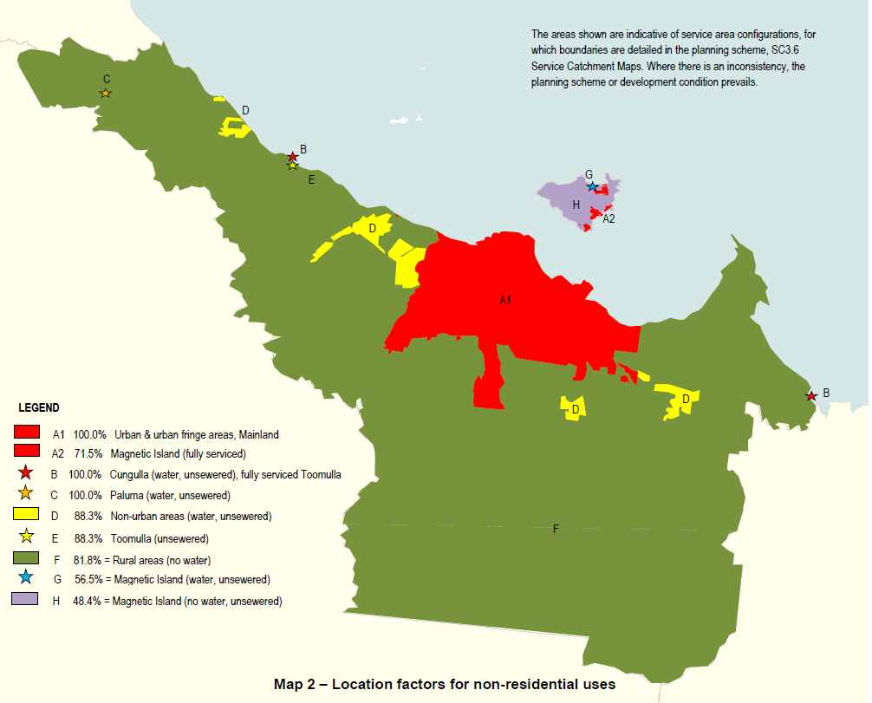
Service area map
Return to index

